sample1_glass
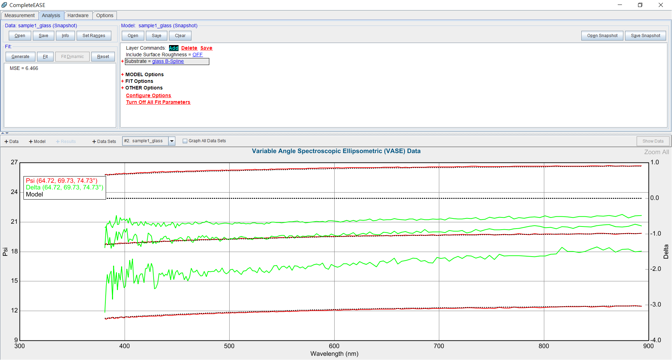

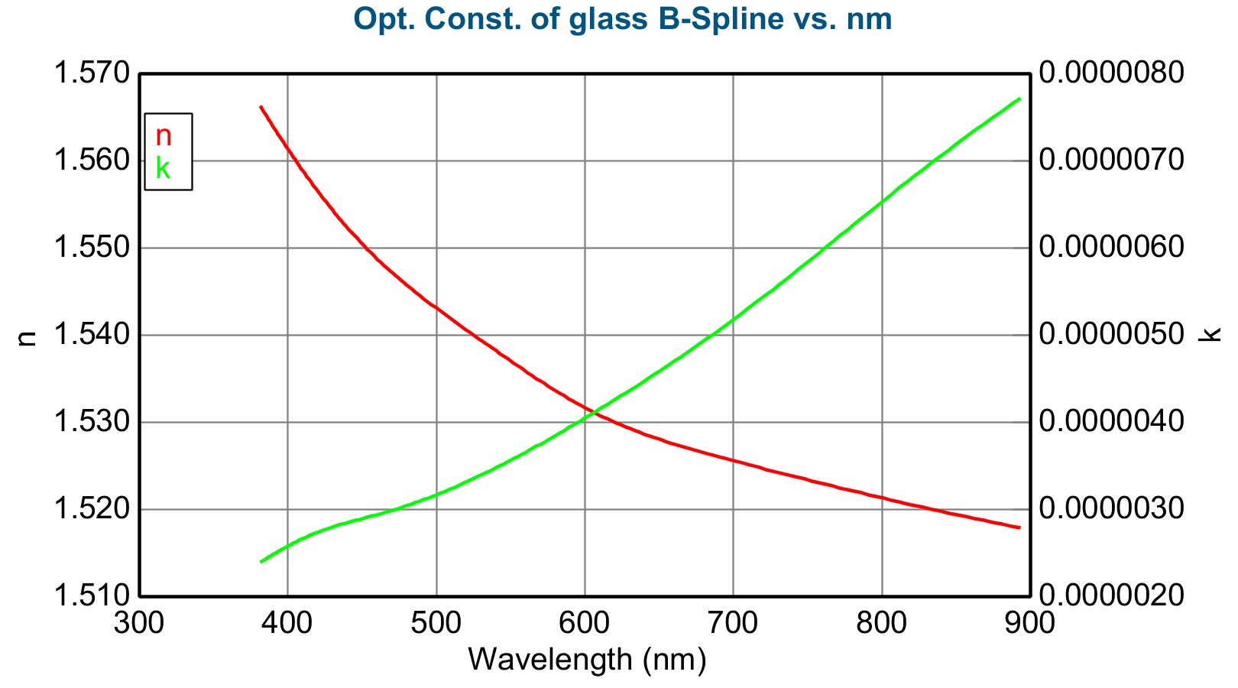
Opt. Const. of glass B-Spline vs. nm
Wavelength (nm) | n | k
381.203583 | 1.566357 | 0.000002
382.375854 | 1.56603 | 0.000002
383.555359 | 1.565702 | 0.000002
384.742188 | 1.565375 | 0.000002
385.936371 | 1.565047 | 0.000002
387.138 | 1.564719 | 0.000002
388.347107 | 1.564391 | 0.000002
389.563812 | 1.564063 | 0.000002
390.788177 | 1.563735 | 0.000002
392.020233 | 1.563407 | 0.000003
393.260071 | 1.563079 | 0.000003
394.507813 | 1.562751 | 0.000003
395.763489 | 1.562423 | 0.000003
397.027161 | 1.562095 | 0.000003
398.298981 | 1.561768 | 0.000003
399.578918 | 1.56144 | 0.000003
400.867126 | 1.561113 | 0.000003
402.163696 | 1.560786 | 0.000003
403.468658 | 1.56046 | 0.000003
404.782135 | 1.560134 | 0.000003
406.104156 | 1.559808 | 0.000003
407.434875 | 1.559483 | 0.000003
408.774323 | 1.559159 | 0.000003
410.12262 | 1.558835 | 0.000003
411.479828 | 1.558511 | 0.000003
412.846039 | 1.558188 | 0.000003
414.221375 | 1.557866 | 0.000003
415.605896 | 1.557545 | 0.000003
416.999695 | 1.557224 | 0.000003
418.402893 | 1.556904 | 0.000003
419.815521 | 1.556585 | 0.000003
421.237732 | 1.556267 | 0.000003
422.669617 | 1.55595 | 0.000003
424.111328 | 1.555633 | 0.000003
425.562836 | 1.555318 | 0.000003
427.024353 | 1.555004 | 0.000003
428.495941 | 1.55469 | 0.000003
429.977722 | 1.554378 | 0.000003
431.469788 | 1.554067 | 0.000003
432.972229 | 1.553758 | 0.000003
434.485168 | 1.553449 | 0.000003
436.008698 | 1.553142 | 0.000003
437.542969 | 1.552836 | 0.000003
439.088043 | 1.552532 | 0.000003
440.644104 | 1.552229 | 0.000003
442.211243 | 1.551927 | 0.000003
443.789551 | 1.551627 | 0.000003
445.37915 | 1.551329 | 0.000003
446.980225 | 1.551032 | 0.000003
448.592834 | 1.550737 | 0.000003
450.217102 | 1.550443 | 0.000003
451.85318 | 1.550151 | 0.000003
453.501129 | 1.549862 | 0.000003
455.161224 | 1.549573 | 0.000003
456.833496 | 1.549287 | 0.000003
458.518127 | 1.549003 | 0.000003
460.215179 | 1.54872 | 0.000003
461.924896 | 1.54844 | 0.000003
463.647308 | 1.548161 | 0.000003
465.38266 | 1.547885 | 0.000003
467.131042 | 1.547611 | 0.000003
468.892578 | 1.547339 | 0.000003
470.66748 | 1.547069 | 0.000003
472.455872 | 1.546801 | 0.000003
474.257904 | 1.546536 | 0.000003
476.07373 | 1.546272 | 0.000003
477.903503 | 1.546011 | 0.000003
479.747406 | 1.545751 | 0.000003
481.605621 | 1.545492 | 0.000003
483.47821 | 1.545235 | 0.000003
485.36554 | 1.54498 | 0.000003
487.267517 | 1.544725 | 0.000003
489.18457 | 1.544471 | 0.000003
491.116699 | 1.544217 | 0.000003
493.064148 | 1.543965 | 0.000003
495.027161 | 1.543712 | 0.000003
497.005859 | 1.54346 | 0.000003
499.000397 | 1.543208 | 0.000003
501.011047 | 1.542956 | 0.000003
503.037933 | 1.542704 | 0.000003
505.081299 | 1.542451 | 0.000003
507.141357 | 1.542197 | 0.000003
509.218262 | 1.541943 | 0.000003
511.312256 | 1.541688 | 0.000003
513.423523 | 1.541431 | 0.000003
515.552368 | 1.541174 | 0.000003
517.698853 | 1.540915 | 0.000003
519.863342 | 1.540654 | 0.000003
522.046021 | 1.540392 | 0.000003
524.247009 | 1.540128 | 0.000003
526.466736 | 1.539861 | 0.000003
528.705322 | 1.539593 | 0.000003
530.963013 | 1.539322 | 0.000003
533.240051 | 1.539048 | 0.000003
535.536621 | 1.538772 | 0.000003
537.853149 | 1.538493 | 0.000003
540.189819 | 1.538211 | 0.000003
542.546875 | 1.537928 | 0.000003
544.924622 | 1.537642 | 0.000004
547.323242 | 1.537355 | 0.000004
549.743103 | 1.537067 | 0.000004
552.184448 | 1.536777 | 0.000004
554.647583 | 1.536486 | 0.000004
557.132751 | 1.536195 | 0.000004
559.64032 | 1.535904 | 0.000004
562.170593 | 1.535612 | 0.000004
564.723816 | 1.535321 | 0.000004
567.300354 | 1.53503 | 0.000004
569.900513 | 1.534739 | 0.000004
572.524536 | 1.53445 | 0.000004
575.172974 | 1.534162 | 0.000004
577.845947 | 1.533875 | 0.000004
580.543823 | 1.53359 | 0.000004
583.267151 | 1.533307 | 0.000004
586.016052 | 1.533027 | 0.000004
588.790894 | 1.532748 | 0.000004
591.592285 | 1.532473 | 0.000004
594.420471 | 1.532201 | 0.000004
597.275757 | 1.531932 | 0.000004
600.15863 | 1.531667 | 0.000004
603.069458 | 1.531405 | 0.000004
606.008667 | 1.531148 | 0.000004
608.976685 | 1.530895 | 0.000004
611.973938 | 1.530647 | 0.000004
615.000793 | 1.530403 | 0.000004
618.057739 | 1.530165 | 0.000004
621.145264 | 1.529932 | 0.000004
624.263794 | 1.529704 | 0.000004
627.413757 | 1.529481 | 0.000004
630.595703 | 1.529263 | 0.000004
633.810059 | 1.529049 | 0.000004
637.057312 | 1.528839 | 0.000004
640.338074 | 1.528632 | 0.000004
643.652771 | 1.52843 | 0.000005
647.002014 | 1.528231 | 0.000005
650.386292 | 1.528035 | 0.000005
653.806091 | 1.527842 | 0.000005
657.262085 | 1.527652 | 0.000005
660.754822 | 1.527464 | 0.000005
664.284851 | 1.527278 | 0.000005
667.852844 | 1.527094 | 0.000005
671.45929 | 1.526912 | 0.000005
675.104919 | 1.526732 | 0.000005
678.790405 | 1.526553 | 0.000005
682.516357 | 1.526375 | 0.000005
686.283386 | 1.526198 | 0.000005
690.092285 | 1.526021 | 0.000005
693.943665 | 1.525845 | 0.000005
697.838257 | 1.525669 | 0.000005
701.776855 | 1.525492 | 0.000005
705.760132 | 1.525316 | 0.000005
709.78894 | 1.525138 | 0.000005
713.863892 | 1.52496 | 0.000005
717.985962 | 1.524781 | 0.000005
722.155884 | 1.5246 | 0.000005
726.374634 | 1.524418 | 0.000006
730.642883 | 1.524234 | 0.000006
734.961548 | 1.524049 | 0.000006
739.331665 | 1.523861 | 0.000006
743.754028 | 1.523671 | 0.000006
748.229614 | 1.52348 | 0.000006
752.759399 | 1.523287 | 0.000006
757.344299 | 1.523092 | 0.000006
761.985474 | 1.522896 | 0.000006
766.683838 | 1.522698 | 0.000006
771.440552 | 1.522498 | 0.000006
776.256592 | 1.522298 | 0.000006
781.133179 | 1.522096 | 0.000006
786.071411 | 1.521893 | 0.000006
791.07251 | 1.521688 | 0.000006
796.137573 | 1.521483 | 0.000006
801.268005 | 1.521276 | 0.000007
806.464966 | 1.521069 | 0.000007
811.729736 | 1.520861 | 0.000007
817.063721 | 1.520652 | 0.000007
822.468262 | 1.520442 | 0.000007
827.944824 | 1.520231 | 0.000007
833.494751 | 1.52002 | 0.000007
839.119629 | 1.519808 | 0.000007
844.820923 | 1.519596 | 0.000007
850.600281 | 1.519383 | 0.000007
856.459167 | 1.51917 | 0.000007
862.399292 | 1.518957 | 0.000007
868.422485 | 1.518743 | 0.000007
874.530396 | 1.51853 | 0.000007
880.724792 | 1.518316 | 0.000008
887.007629 | 1.518102 | 0.000008
893.380676 | 1.517889 | 0.000008

sample1_1-ITO on glass
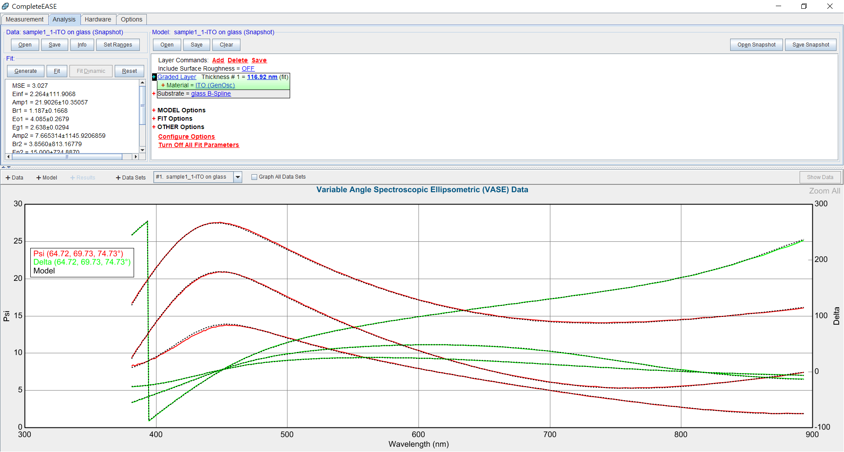

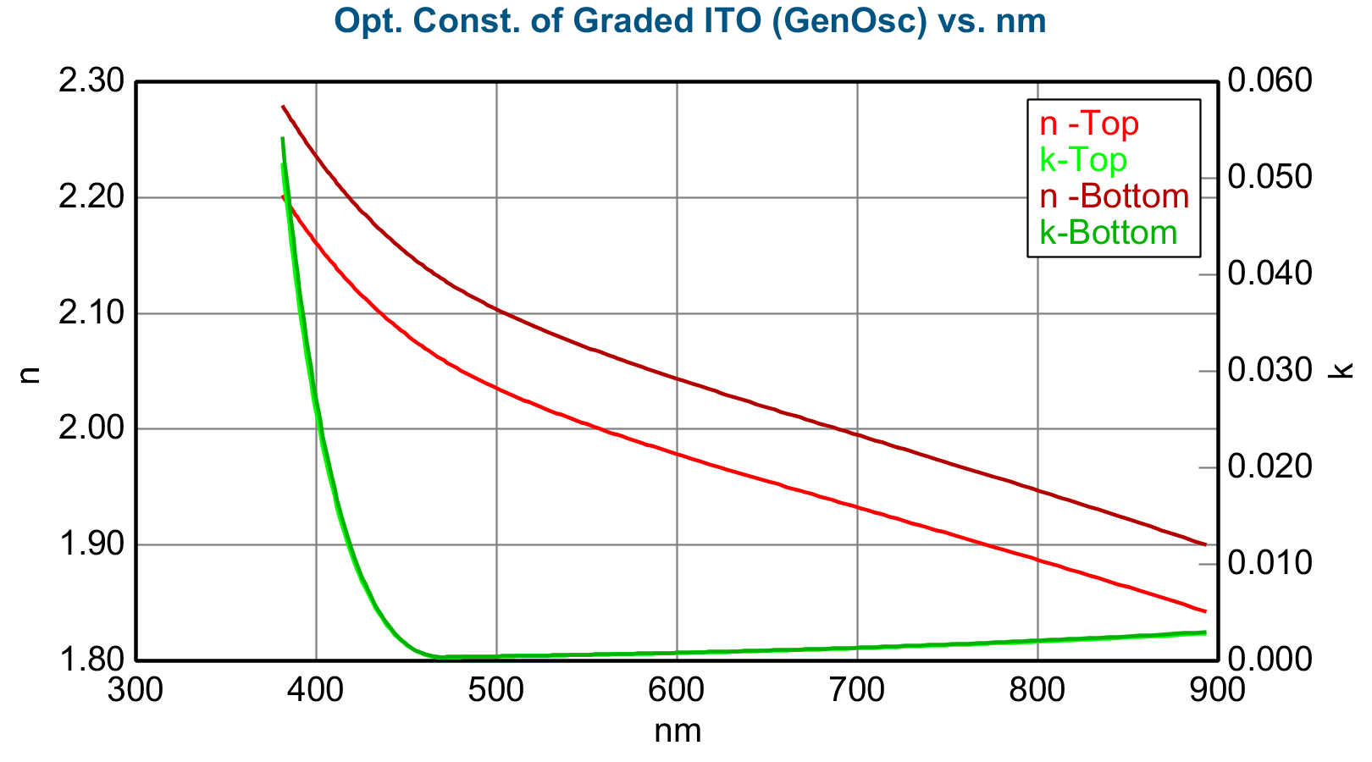
Opt. Const. of Graded ITO (GenOsc) vs. nm
nm | n -Top | k-Top | n -Bottom | k-Bottom
381.203583 | 2.202147 | 0.051547 | 2.27923 | 0.054272
382.375854 | 2.199339 | 0.049448 | 2.276273 | 0.052064
383.555359 | 2.196542 | 0.047413 | 2.273326 | 0.049922
384.742188 | 2.193756 | 0.04544 | 2.270392 | 0.047846
385.936371 | 2.190981 | 0.043528 | 2.26747 | 0.045833
387.138 | 2.188219 | 0.041674 | 2.26456 | 0.043882
388.347107 | 2.18547 | 0.039878 | 2.261665 | 0.041992
389.563812 | 2.182735 | 0.038138 | 2.258785 | 0.040161
390.788177 | 2.180014 | 0.036453 | 2.255918 | 0.038388
392.020233 | 2.177307 | 0.034822 | 2.253067 | 0.036671
393.260071 | 2.174615 | 0.033243 | 2.250233 | 0.035008
394.507813 | 2.171939 | 0.031715 | 2.247414 | 0.0334
395.763489 | 2.169279 | 0.030237 | 2.244612 | 0.031844
397.027161 | 2.166634 | 0.028807 | 2.241826 | 0.030339
398.298981 | 2.164006 | 0.027425 | 2.239058 | 0.028883
399.578918 | 2.161395 | 0.026089 | 2.236307 | 0.027477
400.867126 | 2.1588 | 0.024798 | 2.233574 | 0.026118
402.163696 | 2.156222 | 0.023551 | 2.230859 | 0.024805
403.468658 | 2.153662 | 0.022347 | 2.228162 | 0.023538
404.782135 | 2.151119 | 0.021185 | 2.225483 | 0.022315
406.104156 | 2.148594 | 0.020065 | 2.222823 | 0.021135
407.434875 | 2.146086 | 0.018984 | 2.220181 | 0.019997
408.774323 | 2.143596 | 0.017942 | 2.217559 | 0.0189
410.12262 | 2.141124 | 0.016939 | 2.214954 | 0.017844
411.479828 | 2.13867 | 0.015973 | 2.212369 | 0.016826
412.846039 | 2.136234 | 0.015044 | 2.209803 | 0.015848
414.221375 | 2.133817 | 0.01415 | 2.207256 | 0.014906
415.605896 | 2.131417 | 0.013291 | 2.204728 | 0.014002
416.999695 | 2.129036 | 0.012466 | 2.202219 | 0.013133
418.402893 | 2.126673 | 0.011674 | 2.19973 | 0.012299
419.815521 | 2.124328 | 0.010915 | 2.197259 | 0.011499
421.237732 | 2.122002 | 0.010187 | 2.194808 | 0.010733
422.669617 | 2.119694 | 0.009491 | 2.192376 | 0.01
424.111328 | 2.117404 | 0.008825 | 2.189964 | 0.009299
425.562836 | 2.115132 | 0.008189 | 2.18757 | 0.008629
427.024353 | 2.112879 | 0.007582 | 2.185196 | 0.007989
428.495941 | 2.110644 | 0.007004 | 2.182842 | 0.00738
429.977722 | 2.108428 | 0.006454 | 2.180506 | 0.0068
431.469788 | 2.106229 | 0.005931 | 2.17819 | 0.006249
432.972229 | 2.10405 | 0.005435 | 2.175893 | 0.005727
434.485168 | 2.101888 | 0.004965 | 2.173615 | 0.005232
436.008698 | 2.099745 | 0.00452 | 2.171357 | 0.004764
437.542969 | 2.09762 | 0.004101 | 2.169117 | 0.004322
439.088043 | 2.095514 | 0.003707 | 2.166898 | 0.003907
440.644104 | 2.093426 | 0.003337 | 2.164698 | 0.003517
442.211243 | 2.091357 | 0.002991 | 2.162517 | 0.003152
443.789551 | 2.089306 | 0.002668 | 2.160355 | 0.002812
445.37915 | 2.087274 | 0.002369 | 2.158214 | 0.002496
446.980225 | 2.08526 | 0.002091 | 2.156091 | 0.002204
448.592834 | 2.083265 | 0.001836 | 2.153989 | 0.001935
450.217102 | 2.08129 | 0.001602 | 2.151907 | 0.001689
451.85318 | 2.079333 | 0.00139 | 2.149845 | 0.001465
453.501129 | 2.077396 | 0.001199 | 2.147803 | 0.001264
455.161224 | 2.075478 | 0.001029 | 2.145782 | 0.001084
456.833496 | 2.07358 | 0.000879 | 2.143781 | 0.000926
458.518127 | 2.071703 | 0.000748 | 2.141802 | 0.000789
460.215179 | 2.069846 | 0.000638 | 2.139845 | 0.000672
461.924896 | 2.068011 | 0.000547 | 2.13791 | 0.000576
463.647308 | 2.066197 | 0.000475 | 2.135999 | 0.0005
465.38266 | 2.064407 | 0.000421 | 2.134112 | 0.000444
467.131042 | 2.062641 | 0.000387 | 2.132251 | 0.000407
468.892578 | 2.060903 | 0.00037 | 2.130418 | 0.00039
470.66748 | 2.059197 | 0.000371 | 2.128619 | 0.000391
472.455872 | 2.057527 | 0.000375 | 2.126859 | 0.000396
474.257904 | 2.055883 | 0.00038 | 2.125126 | 0.0004
476.07373 | 2.054263 | 0.000384 | 2.123418 | 0.000405
477.903503 | 2.052664 | 0.000389 | 2.121732 | 0.00041
479.747406 | 2.051083 | 0.000394 | 2.120066 | 0.000415
481.605621 | 2.04952 | 0.000399 | 2.118418 | 0.000421
483.47821 | 2.047973 | 0.000404 | 2.116787 | 0.000426
485.36554 | 2.046441 | 0.000409 | 2.115172 | 0.000431
487.267517 | 2.044923 | 0.000414 | 2.113571 | 0.000437
489.18457 | 2.043419 | 0.000419 | 2.111985 | 0.000442
491.116699 | 2.041927 | 0.000425 | 2.110412 | 0.000448
493.064148 | 2.040446 | 0.00043 | 2.108851 | 0.000453
495.027161 | 2.038977 | 0.000435 | 2.107302 | 0.000459
497.005859 | 2.037518 | 0.000441 | 2.105764 | 0.000465
499.000397 | 2.036069 | 0.000447 | 2.104236 | 0.000471
501.011047 | 2.034629 | 0.000452 | 2.102717 | 0.000477
503.037933 | 2.033198 | 0.000458 | 2.101208 | 0.000483
505.081299 | 2.031775 | 0.000464 | 2.099707 | 0.000489
507.141357 | 2.030359 | 0.00047 | 2.098215 | 0.000496
509.218262 | 2.02895 | 0.000476 | 2.09673 | 0.000502
511.312256 | 2.027549 | 0.000483 | 2.095251 | 0.000509
513.423523 | 2.026153 | 0.000489 | 2.09378 | 0.000516
515.552368 | 2.024763 | 0.000495 | 2.092314 | 0.000522
517.698853 | 2.023379 | 0.000502 | 2.090854 | 0.000529
519.863342 | 2.022 | 0.000509 | 2.0894 | 0.000536
522.046021 | 2.020625 | 0.000515 | 2.08795 | 0.000544
524.247009 | 2.019254 | 0.000522 | 2.086505 | 0.000551
526.466736 | 2.017888 | 0.000529 | 2.085063 | 0.000558
528.705322 | 2.016524 | 0.000536 | 2.083626 | 0.000566
530.963013 | 2.015164 | 0.000544 | 2.082191 | 0.000573
533.240051 | 2.013807 | 0.000551 | 2.080759 | 0.000581
535.536621 | 2.012452 | 0.000559 | 2.07933 | 0.000589
537.853149 | 2.011099 | 0.000566 | 2.077903 | 0.000597
540.189819 | 2.009747 | 0.000574 | 2.076478 | 0.000606
542.546875 | 2.008397 | 0.000582 | 2.075054 | 0.000614
544.924622 | 2.007048 | 0.00059 | 2.073631 | 0.000622
547.323242 | 2.0057 | 0.000598 | 2.072209 | 0.000631
549.743103 | 2.004352 | 0.000607 | 2.070787 | 0.00064
552.184448 | 2.003004 | 0.000615 | 2.069365 | 0.000649
554.647583 | 2.001656 | 0.000624 | 2.067943 | 0.000658
557.132751 | 2.000307 | 0.000633 | 2.06652 | 0.000668
559.64032 | 1.998957 | 0.000642 | 2.065097 | 0.000677
562.170593 | 1.997606 | 0.000651 | 2.063672 | 0.000687
564.723816 | 1.996253 | 0.00066 | 2.062245 | 0.000697
567.300354 | 1.994899 | 0.00067 | 2.060816 | 0.000707
569.900513 | 1.993542 | 0.00068 | 2.059385 | 0.000717
572.524536 | 1.992183 | 0.00069 | 2.057951 | 0.000727
575.172974 | 1.990821 | 0.0007 | 2.056514 | 0.000738
577.845947 | 1.989455 | 0.00071 | 2.055073 | 0.000749
580.543823 | 1.988086 | 0.00072 | 2.05363 | 0.00076
583.267151 | 1.986714 | 0.000731 | 2.052181 | 0.000771
586.016052 | 1.985337 | 0.000742 | 2.050729 | 0.000783
588.790894 | 1.983956 | 0.000753 | 2.049272 | 0.000795
591.592285 | 1.98257 | 0.000764 | 2.04781 | 0.000806
594.420471 | 1.981178 | 0.000776 | 2.046342 | 0.000819
597.275757 | 1.979782 | 0.000788 | 2.044868 | 0.000831
600.15863 | 1.978379 | 0.0008 | 2.043388 | 0.000844
603.069458 | 1.97697 | 0.000812 | 2.041902 | 0.000857
606.008667 | 1.975555 | 0.000825 | 2.040409 | 0.00087
608.976685 | 1.974133 | 0.000837 | 2.038908 | 0.000884
611.973938 | 1.972704 | 0.00085 | 2.0374 | 0.000897
615.000793 | 1.971267 | 0.000864 | 2.035884 | 0.000911
618.057739 | 1.969822 | 0.000877 | 2.03436 | 0.000926
621.145264 | 1.968369 | 0.000891 | 2.032826 | 0.00094
624.263794 | 1.966907 | 0.000905 | 2.031284 | 0.000955
627.413757 | 1.965436 | 0.00092 | 2.029732 | 0.000971
630.595703 | 1.963956 | 0.000935 | 2.02817 | 0.000986
633.810059 | 1.962465 | 0.00095 | 2.026597 | 0.001002
637.057312 | 1.960965 | 0.000965 | 2.025014 | 0.001018
640.338074 | 1.959454 | 0.000981 | 2.023419 | 0.001035
643.652771 | 1.957931 | 0.000997 | 2.021812 | 0.001052
647.002014 | 1.956398 | 0.001013 | 2.020194 | 0.001069
650.386292 | 1.954852 | 0.00103 | 2.018563 | 0.001087
653.806091 | 1.953294 | 0.001047 | 2.016918 | 0.001105
657.262085 | 1.951723 | 0.001065 | 2.01526 | 0.001124
660.754822 | 1.950138 | 0.001083 | 2.013588 | 0.001143
664.284851 | 1.94854 | 0.001101 | 2.011902 | 0.001162
667.852844 | 1.946928 | 0.00112 | 2.0102 | 0.001182
671.45929 | 1.945301 | 0.001139 | 2.008483 | 0.001202
675.104919 | 1.943659 | 0.001159 | 2.006749 | 0.001223
678.790405 | 1.942001 | 0.001179 | 2.004999 | 0.001244
682.516357 | 1.940326 | 0.001199 | 2.003232 | 0.001266
686.283386 | 1.938635 | 0.00122 | 2.001447 | 0.001288
690.092285 | 1.936926 | 0.001242 | 1.999643 | 0.001311
693.943665 | 1.9352 | 0.001264 | 1.997821 | 0.001334
697.838257 | 1.933455 | 0.001287 | 1.995979 | 0.001358
701.776855 | 1.931691 | 0.00131 | 1.994117 | 0.001382
705.760132 | 1.929907 | 0.001333 | 1.992234 | 0.001407
709.78894 | 1.928103 | 0.001357 | 1.990329 | 0.001433
713.863892 | 1.926278 | 0.001382 | 1.988402 | 0.001459
717.985962 | 1.924431 | 0.001408 | 1.986453 | 0.001486
722.155884 | 1.922561 | 0.001434 | 1.984479 | 0.001514
726.374634 | 1.920669 | 0.001461 | 1.982482 | 0.001542
730.642883 | 1.918753 | 0.001488 | 1.980459 | 0.001571
734.961548 | 1.916813 | 0.001516 | 1.97841 | 0.001601
739.331665 | 1.914847 | 0.001545 | 1.976334 | 0.001631
743.754028 | 1.912855 | 0.001574 | 1.974231 | 0.001662
748.229614 | 1.910836 | 0.001605 | 1.9721 | 0.001694
752.759399 | 1.90879 | 0.001636 | 1.969939 | 0.001727
757.344299 | 1.906715 | 0.001667 | 1.967749 | 0.001761
761.985474 | 1.904611 | 0.0017 | 1.965527 | 0.001795
766.683838 | 1.902476 | 0.001734 | 1.963273 | 0.001831
771.440552 | 1.900311 | 0.001768 | 1.960985 | 0.001867
776.256592 | 1.898113 | 0.001804 | 1.958664 | 0.001905
781.133179 | 1.895881 | 0.00184 | 1.956308 | 0.001943
786.071411 | 1.893616 | 0.001877 | 1.953915 | 0.001983
791.07251 | 1.891315 | 0.001916 | 1.951485 | 0.002023
796.137573 | 1.888977 | 0.001955 | 1.949017 | 0.002065
801.268005 | 1.886603 | 0.001996 | 1.946508 | 0.002108
806.464966 | 1.884189 | 0.002037 | 1.943959 | 0.002152
811.729736 | 1.881735 | 0.00208 | 1.941368 | 0.002197
817.063721 | 1.879241 | 0.002124 | 1.938732 | 0.002244
822.468262 | 1.876703 | 0.00217 | 1.936052 | 0.002292
827.944824 | 1.874122 | 0.002216 | 1.933326 | 0.002341
833.494751 | 1.871495 | 0.002265 | 1.930551 | 0.002392
839.119629 | 1.868822 | 0.002314 | 1.927727 | 0.002445
844.820923 | 1.866101 | 0.002365 | 1.924852 | 0.002498
850.600281 | 1.863329 | 0.002417 | 1.921924 | 0.002554
856.459167 | 1.860507 | 0.002471 | 1.918942 | 0.002611
862.399292 | 1.857631 | 0.002527 | 1.915903 | 0.00267
868.422485 | 1.8547 | 0.002584 | 1.912807 | 0.002731
874.530396 | 1.851713 | 0.002644 | 1.90965 | 0.002793
880.724792 | 1.848667 | 0.002705 | 1.906432 | 0.002858
887.007629 | 1.845561 | 0.002768 | 1.90315 | 0.002925
893.380676 | 1.842392 | 0.002833 | 1.899801 | 0.002993

